Sheet1
Chapter Name/Number | Page Number | Figure Number | Caption | Thumbnail | Category | Short Alt Text | Long Alt Text | Short Alt-text Length | Long Alt-text Length | Comments
 |  |  |  | 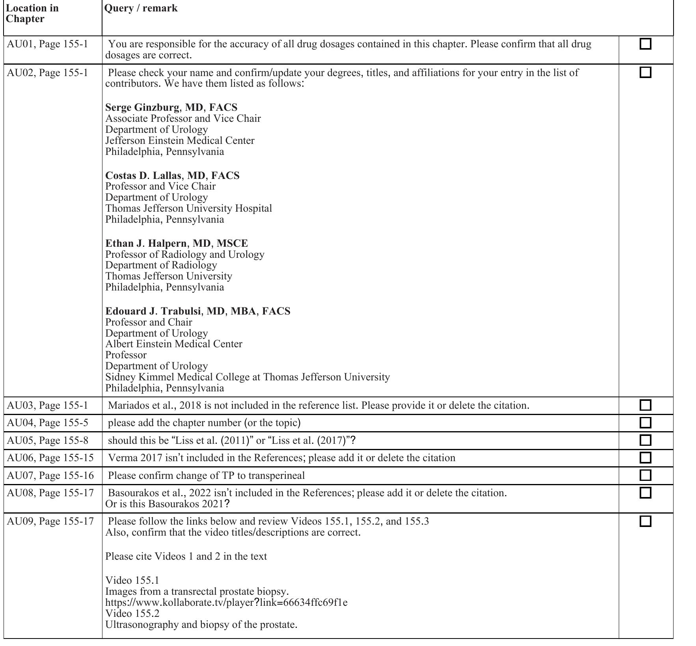
 |  |  |  | 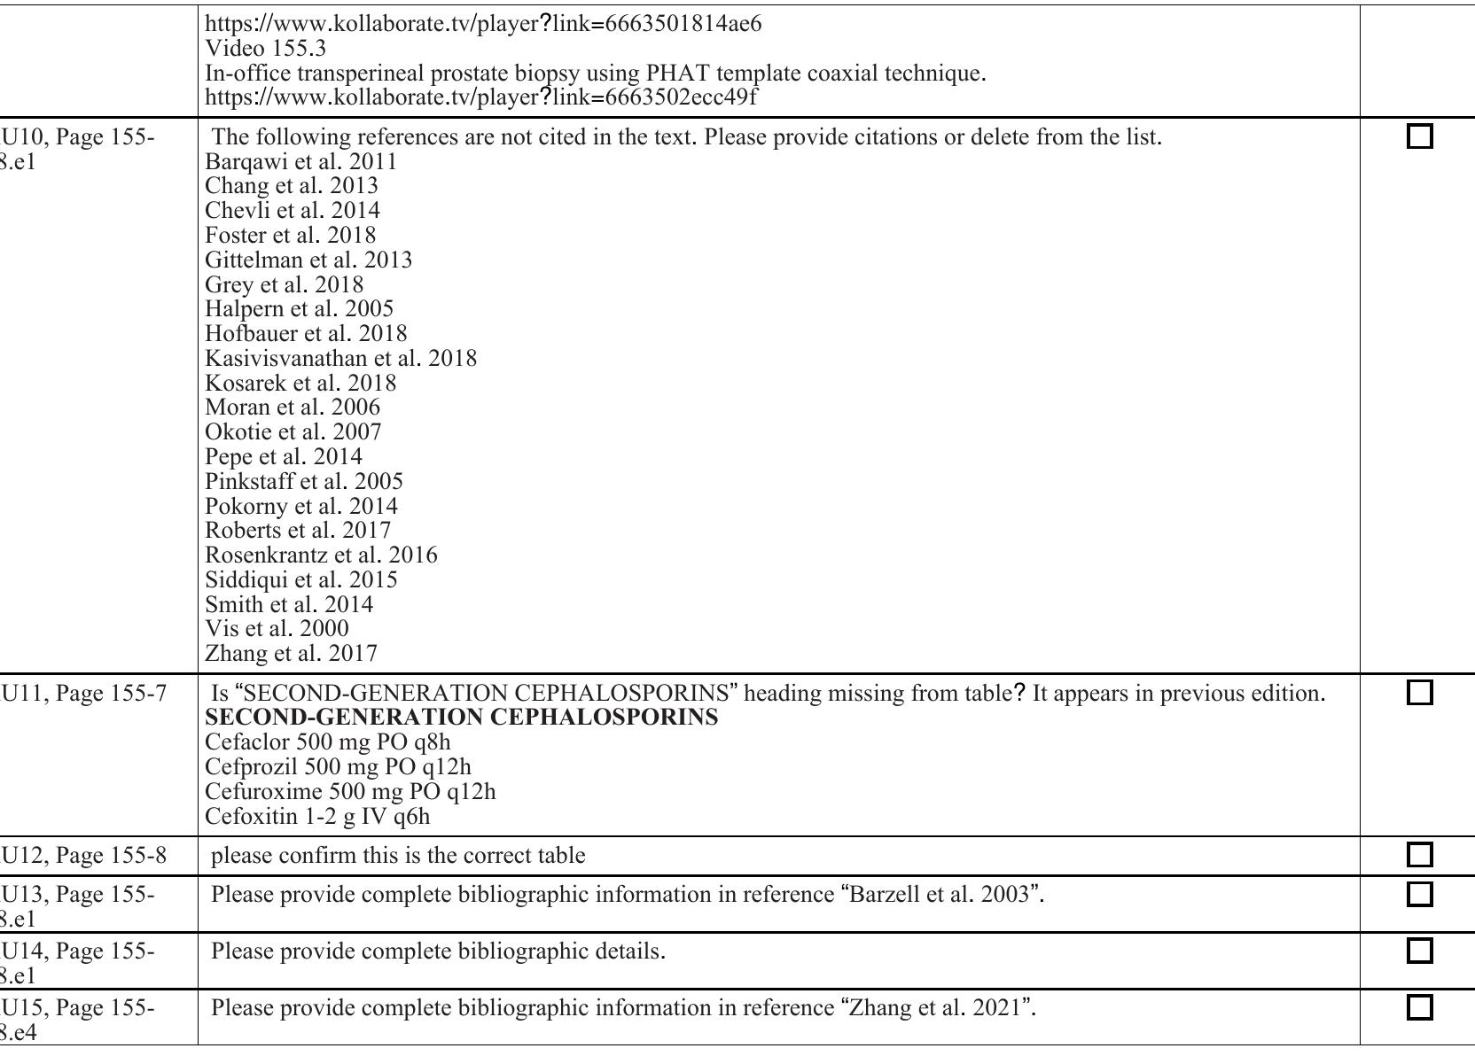
 |  |  |  | 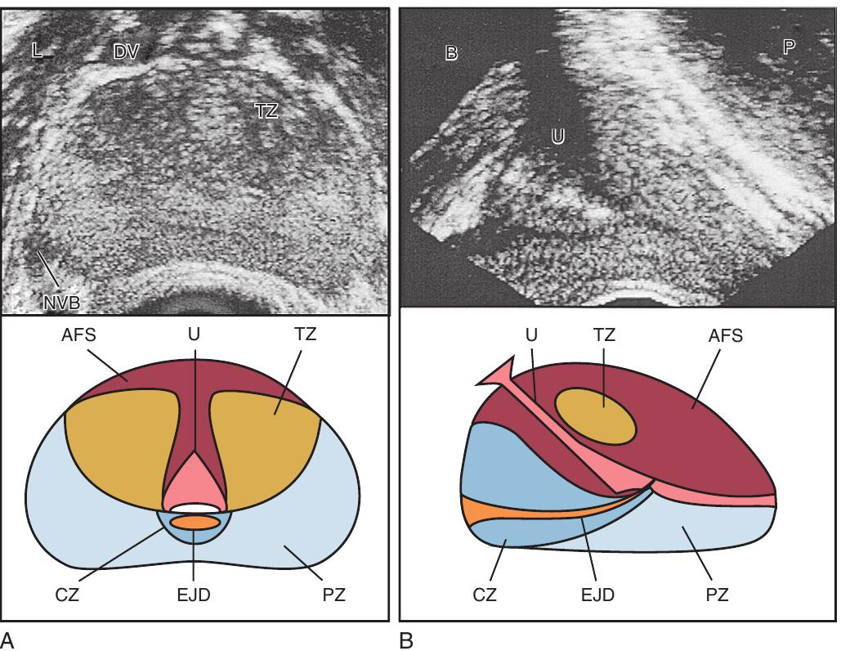
 |  |  |  | 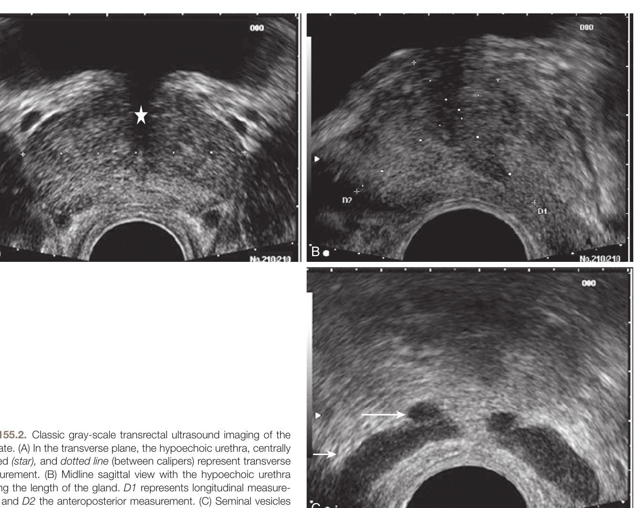
 |  |  |  | 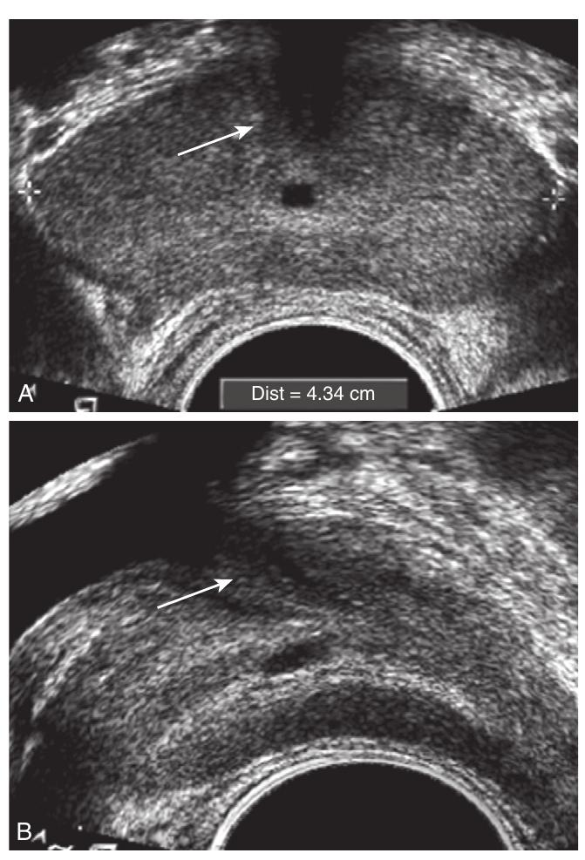
 |  |  |  | 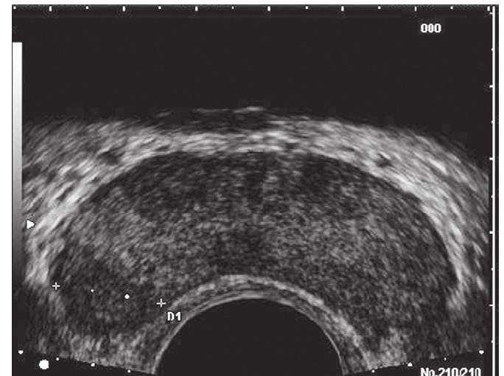
 |  |  |  | 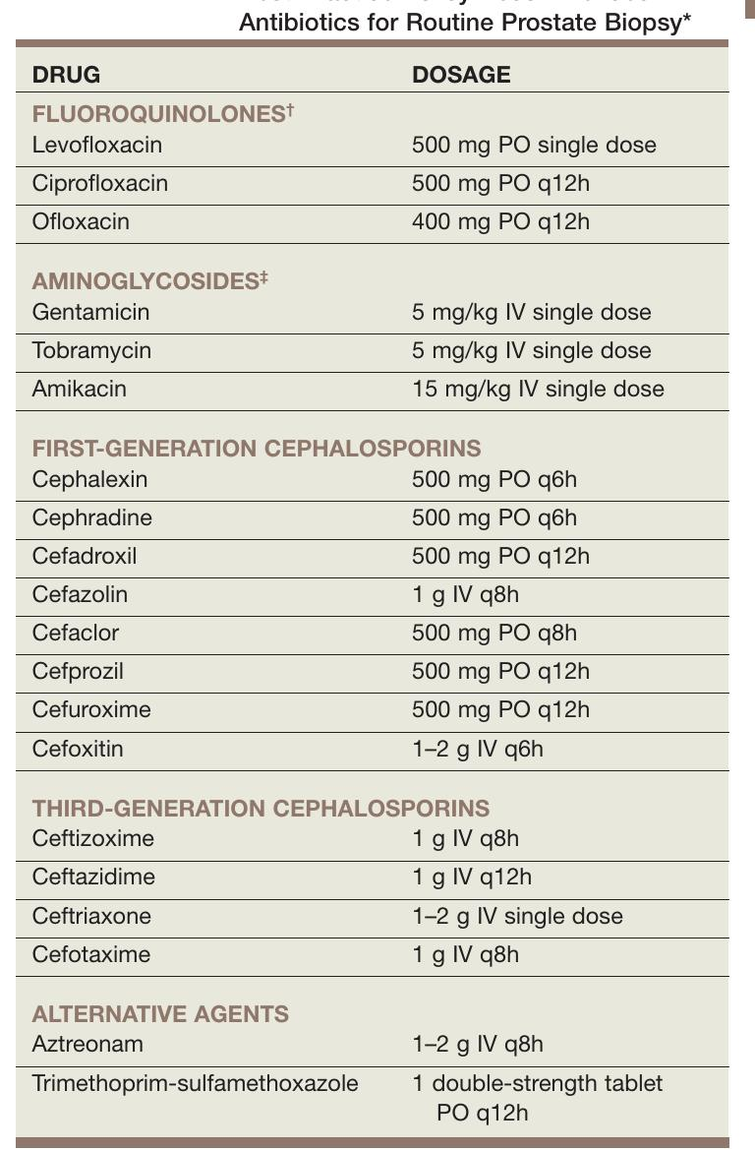
 |  |  |  | 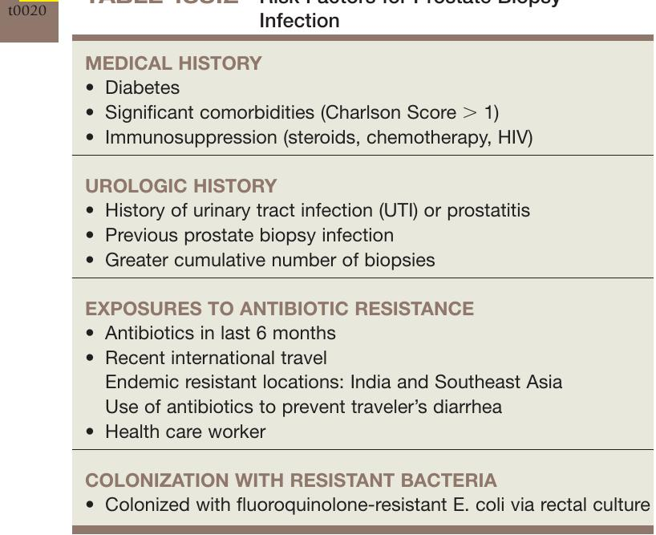
 |  |  |  | 
 |  |  |  | 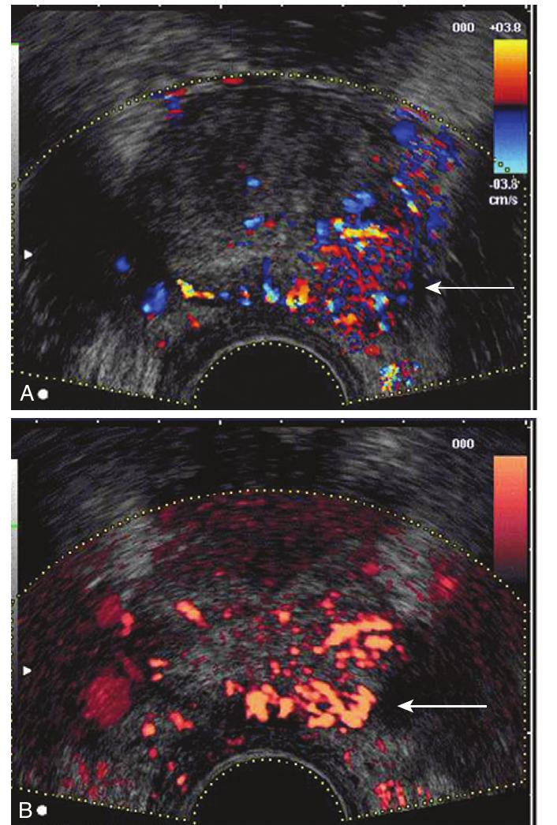
 |  |  |  | 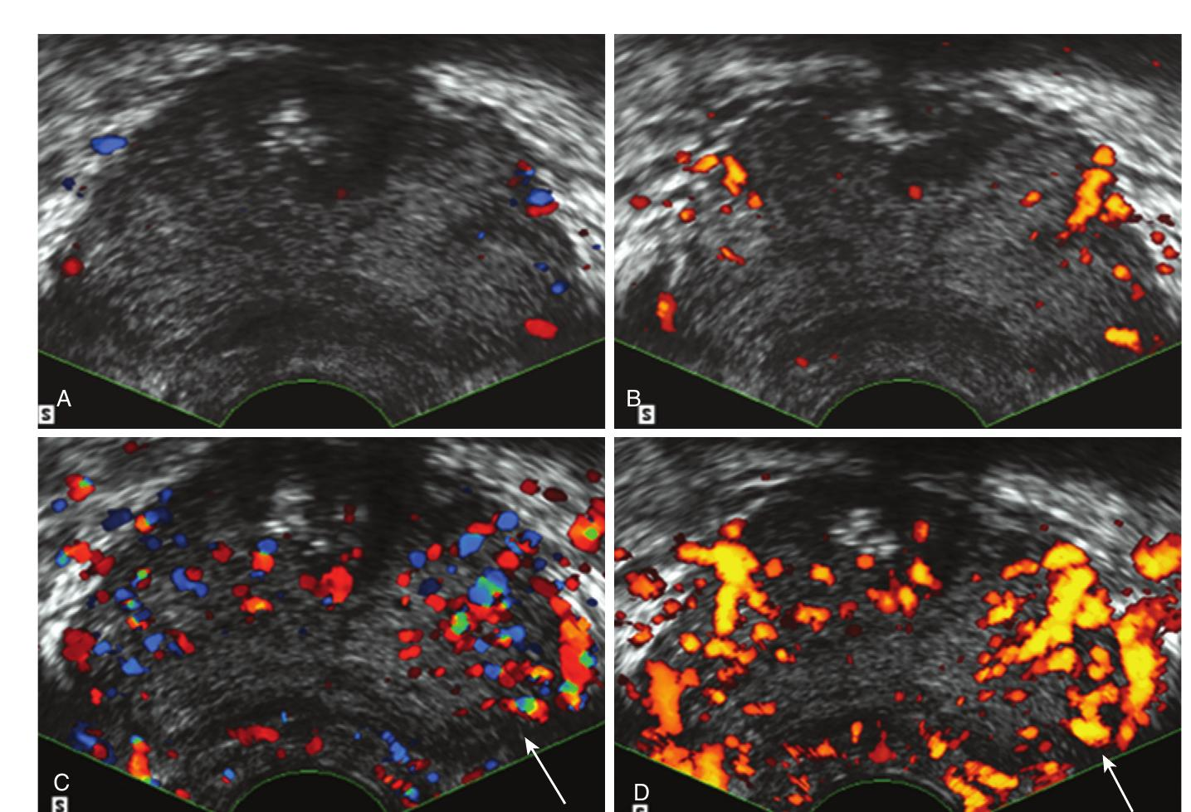
 |  |  |  | 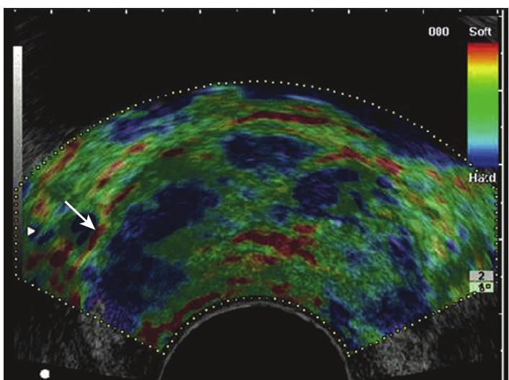
 |  |  |  | 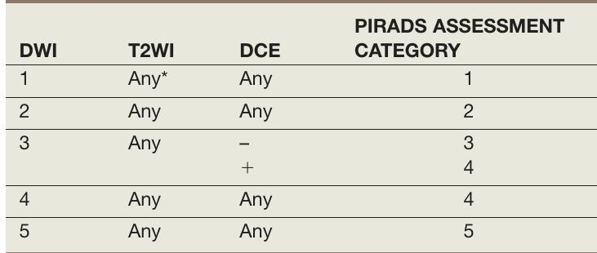
 |  |  |  | 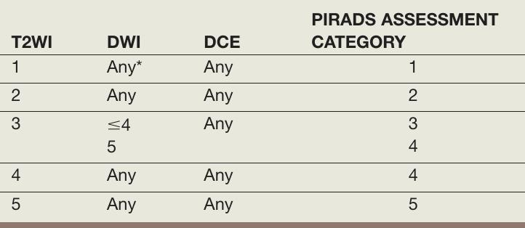
 |  |  |  | 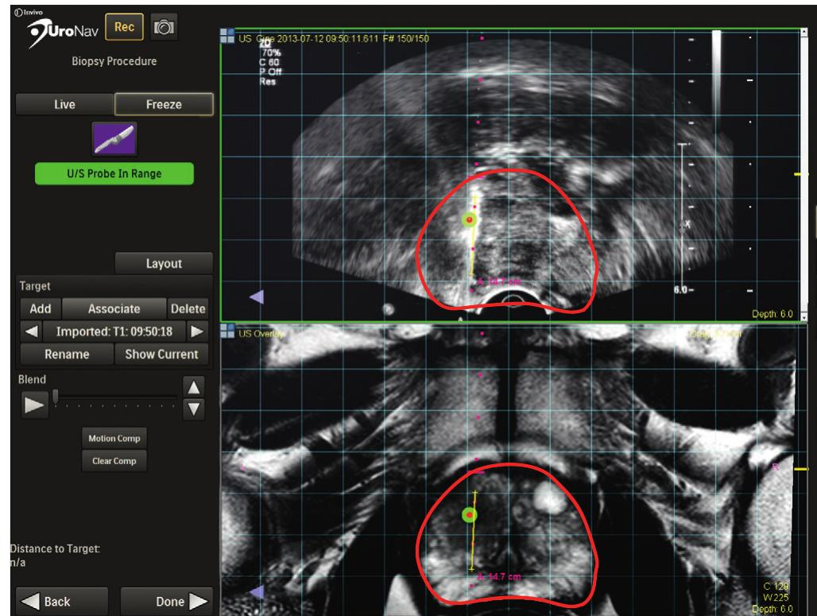
 |  |  |  | 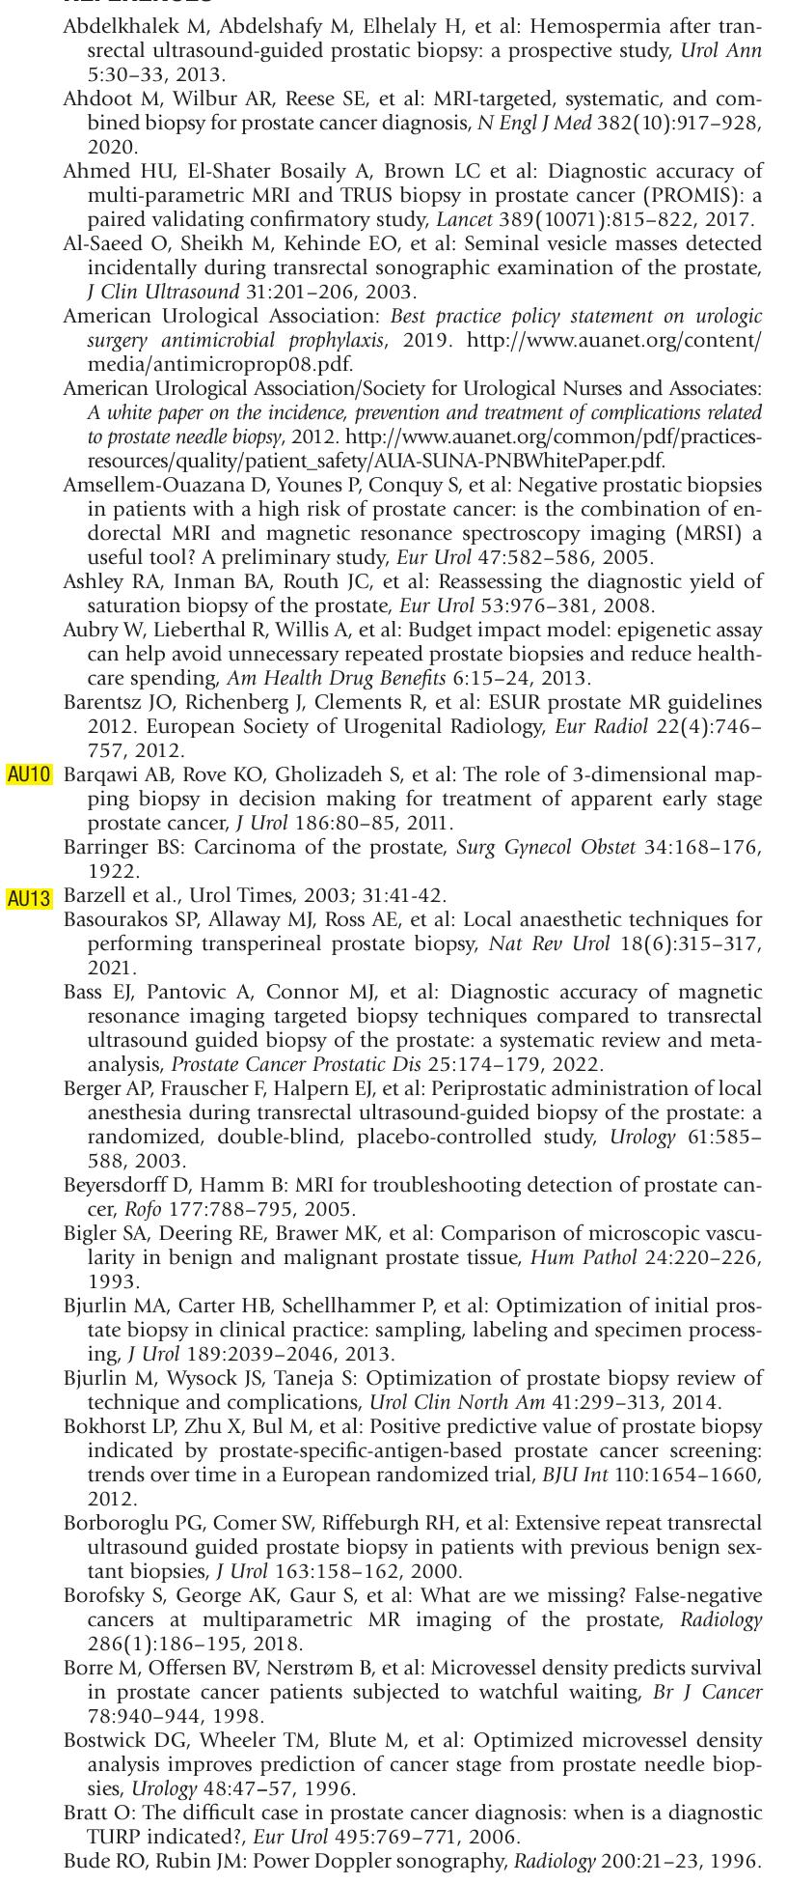
 |  |  |  | 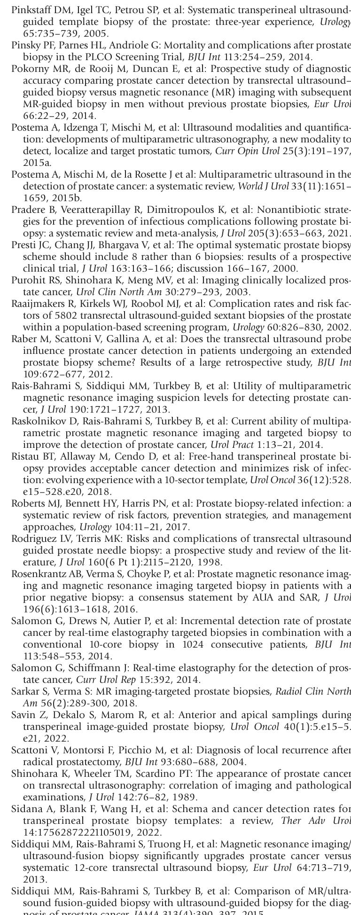
 |  |  |  | 

